Points-Class
 | All Sections | extra credit

Module 1 | 84

Module 2 | 79

Module 3 | 142

Module 4 | 105 |  | 30
 |  |  | 10
Module 5 | 217 |  | 7
Midterm |  |  | 40
Module 6 | 82 |  | 20
 |  |  | 25
Module 7 | 104

Module 8 | 140

Module 9 | 100
 |  |  |  |  |  | 0 | Total
Module 10 | 110
Midterm #2 | 135
Module 11 | 125 |  | 132
 |  |  |  |  |  | 5*5 | 25
Module 12 | 130 |  |  |  |  |  | 20*3 | 60
extra credit | 25 |  | 40 |  | 1850
Module 13 | 120 |  | 40 | GRADED ON: | 1800
FINAL Pt. 1 | 85
FINAL Pt. 2 | 180 |  |  | FINAL Dec 7 | Due Dec 12 | 11:30pm
TOTAL | 1963 | 0 |  |  | 0
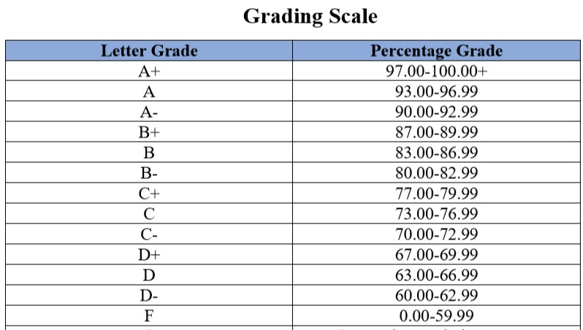
TOTAL | 1993
GRADE ON | 1850
EXTRA Crd | 143
 | 1900 | A+

